Sheet6
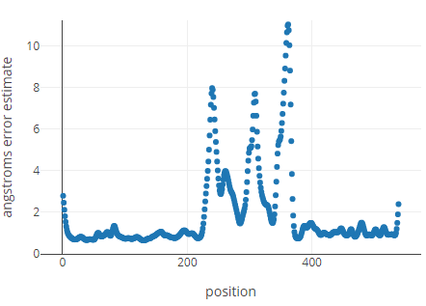
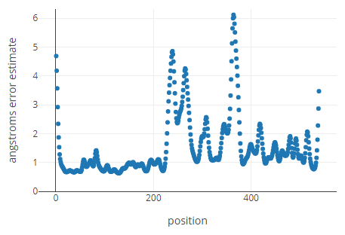
File Name | Distances Angstroms | nm Average | Closest to 5nm
BRET6_6_P.pdb | 40.7446 | 4.42817 | 0.92554 |  | 6_15_O | 6_15_P
BRET6_6_O.pdb | 47.8188 |  | 0.21812
BRET6_8_P.pdb | 68.3609 | 5.459015 | 1.83609
BRET6_8_O.pdb | 40.8194 |  | 0.91806
BRET6_10_P.pdb | 45.2203 | 3.5084 | 0.47797
BRET6_10_O.pdb | 24.9477 |  | 2.50523
BRET6_15_P.pdb | 54.2192 | 4.978325 | 0.42192 | https://robetta.bakerlab.org/results.php?id=87945
BRET6_15_O.pdb | 45.3473 |  | 0.46527
BRET8_6_P.pdb | 60.1102 | 4.87216 | 1.01102
BRET8_6_O.pdb | 37.333 |  | 1.2667
BRET8_8_P.pdb | 56.0633 | 4.37818 | 0.60633
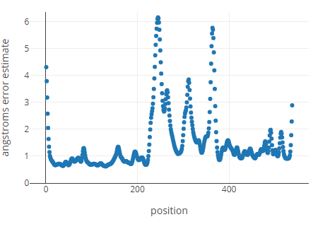
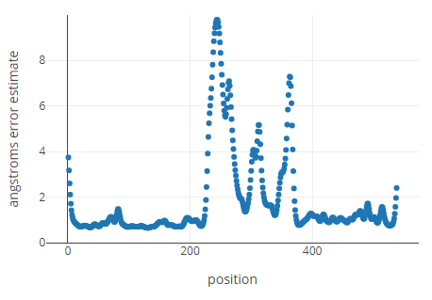
BRET8_8_O.pdb | 31.5003 |  | 1.84997 |  | 10_10_O | 10_10_P
BRET8_10_P.pdb | 80.0278 | 5.87751 | 3.00278
BRET8_10_O.pdb | 37.5224 |  | 1.24776
BRET8_15_P.pdb | 68.5468 | 6.080245 | 1.85468
BRET8_15_O.pdb | 53.0581 |  | 0.30581
BRET10_6_P.pdb | 77.6422 | 7.197005 | 2.76422
BRET10_6_O.pdb | 66.2979 |  | 1.62979
BRET10_8_P.pdb | 77.4073 | 5.80294 | 2.74073
BRET10_8_O.pdb | 38.6515 |  | 1.13485
BRET10_10_P.pdb | 64.8526 | 5.140385 | 1.48526 | https://robetta.bakerlab.org/results.php?id=87953
BRET10_10_O.pdb | 37.9551 |  | 1.20449
BRET10_15_P.pdb | 51.7016 | 4.737045 | 0.17016 | https://robetta.bakerlab.org/results.php?id=87954
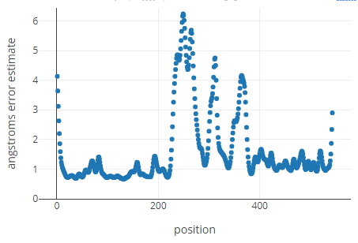
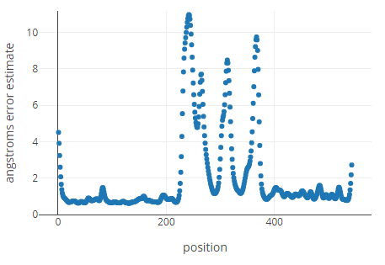
BRET10_15_O.pdb | 43.0393 |  | 0.69607 |  | 10_15_O | 10_15_P
BRET15_6_P.pdb | 73.7979 | 7.00515 | 2.37979
BRET15_6_O.pdb | 66.3051 |  | 1.63051
BRET15_8_P.pdb | 91.1553 | 6.313495 | 4.11553
BRET15_8_O.pdb | 35.1146 |  | 1.48854
BRET15_10_P.pdb | 70.1614 | 5.681775 | 2.01614
BRET15_10_O.pdb | 43.4741 |  | 0.65259
BRET15_15_P.pdb | 55.4252 | 4.0862 | 0.54252
BRET15_15_O.pdb | 26.2988 |  | 2.37012

